BugReport
Bug ID | BUG_05
Summary: | [Invalid Email] User can add employee assigning invalid email to employee profile
Description: | When User goes to Staff section of the page and adds new employee to the list it is possible to assign invalid email to the employee
 | In case that employee receives emails generated through platform, it is possible that employee does not receive important information.
 | https://help.xmatters.com/ondemand/trial/valid_email_format.htm
Steps to reproduce:
 | Open Chrome browser
 | Go to URL: https://www.humanity.com/
 | Click on "LOGIN" button at the upper righ corner of the page
 | Input valid email in "Email" placeholder
 | Input valid password in "Password" placeholder
 | Click on "Log In" button
1 | Click on "Staff" button within Menu in the upper part of the page
2 | Click on "Add Employees" button at the upper right corner of the pane
3 | Input valid first name in "first name" placeholder
4 | Input valid last name in "last name" placeholder
 | Input invalid email format in "email@address.com" placeholder
 | Click on "Save Employee" buttom at the bottom of the list
Expected result: | User can not add employee with assigned invalid email format email address
Actual result: | User succesfully added new employee with assigned invalid format email address
Priority: | Medium
Severity: | Medium
Repro rate: | 100%
Environment: | Production
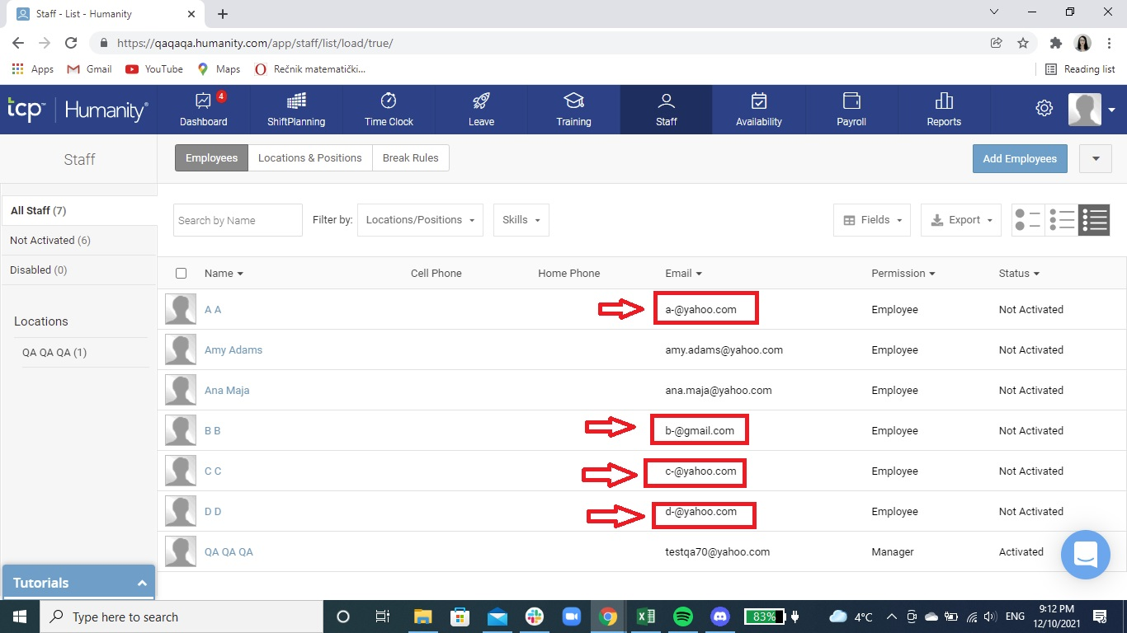
Screenshot:

